Sheet1
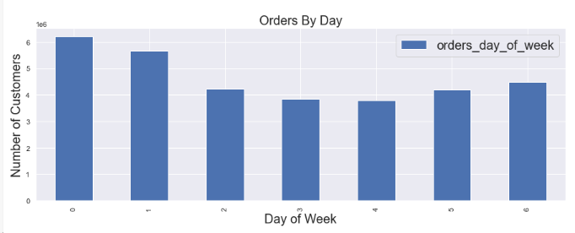
 | orders_day_of_week
0 | 6204182
1 | 5660230
2 | 4213830
3 | 3840534
4 | 3783802
5 | 4205791
6 | 4496490

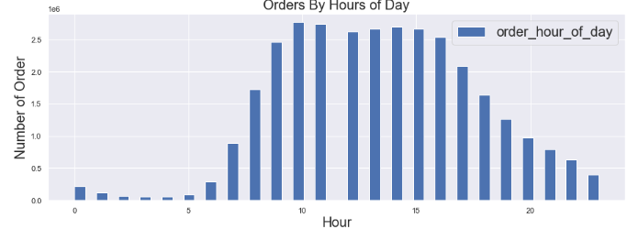
 | order_hour_of_day
0 | 218769
1 | 115700
2 | 69375
3 | 51281
4 | 53242
5 | 87961
6 | 290493
7 | 891054
8 | 1718118
9 | 2454203
10 | 2761760
11 | 2736140
12 | 2618532
13 | 2660954
14 | 2689136
15 | 2662144
16 | 2535202
17 | 2087654
18 | 1636502
19 | 1258305
20 | 976156
21 | 795637
22 | 634225
23 | 402316

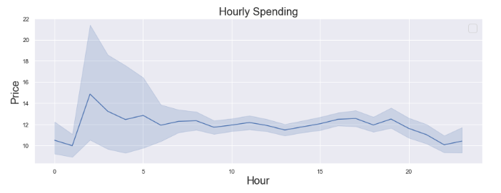

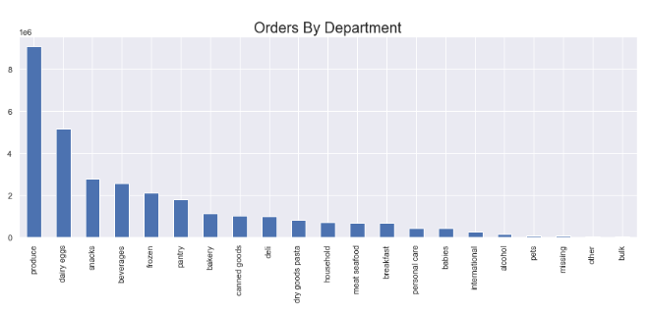

 |  | department
 | produce | 9079273
 | dairy eggs | 5177182
 | snacks | 2766406
 | beverages | 2571901
 | frozen | 2121731
 | pantry | 1782705
 | bakery | 1120828
 | canned goods | 1012074
 | deli | 1003834
 | dry goods pasta | 822136
 | household | 699857
 | meat seafood | 674781
 | breakfast | 670850
 | personal care | 424306
 | babies | 410392
 | international | 255991
 | alcohol | 144627
 | pets | 93060
 | missing | 64768
 | other | 34411
 | bulk | 33451

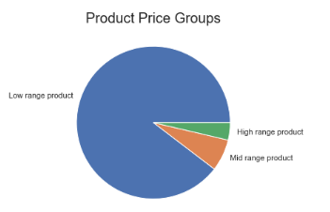
 |  | price_range_loc
 | Low range product | 9674840
 | Mid range product | 727204
 | High range product | 397953

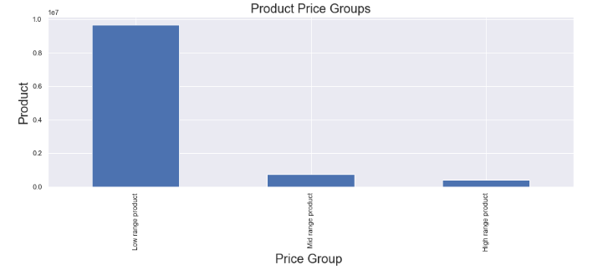

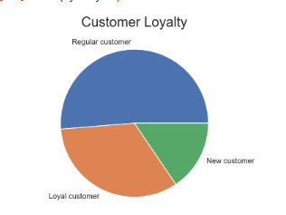
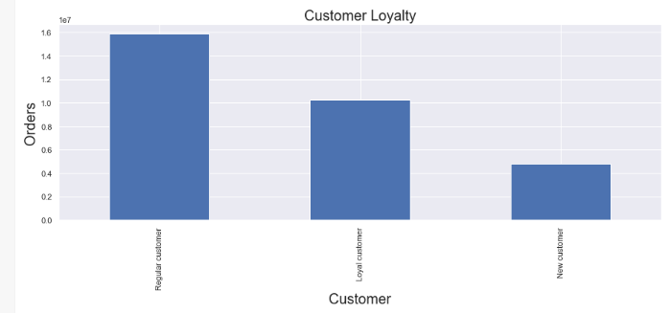
 | loyalty_flag
Regular customer | 15876776
Loyal customer | 10284093
New customer | 4803695

 | loyalty_flag | Big spender | Low spender
 | Loyal customer | 216600 | 10067493
 | New customer | 84011 | 4719684
 | Regular customer | 302814 | 15573962
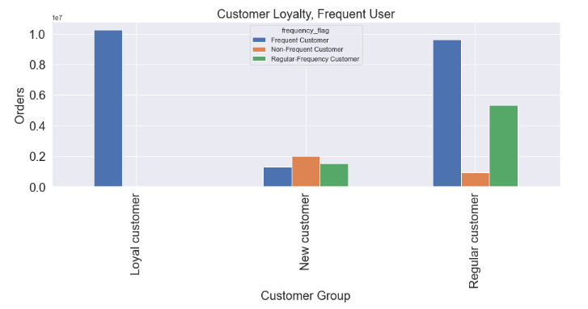
 | loyalty_flag | Frequent Customer | Non-Frequent Customer | Regular-Frequency Customer
 | Loyal customer | 10279960 | 0 | 4133
 | New customer | 1293294 | 1983500 | 1526901
 | Regular customer | 9631222 | 911475 | 5334079

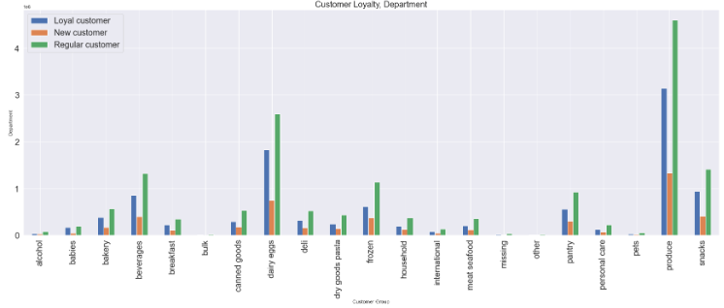
department | Loyal customer | New customer | Regular customer
alcohol | 38723 | 28629 | 77275
babies | 167108 | 46708 | 196576
bakery | 379873 | 172104 | 568851
beverages | 855017 | 396649 | 1320235
breakfast | 221577 | 106179 | 343094
bulk | 13834 | 4149 | 15468
canned goods | 294594 | 180196 | 537284
dairy eggs | 1830707 | 750056 | 2596419
deli | 324046 | 158335 | 521453
dry goods pasta | 242580 | 144836 | 434720
frozen | 609460 | 372271 | 1140000
household | 196873 | 128117 | 374867
international | 78394 | 43841 | 133756
meat seafood | 202480 | 112464 | 359837
missing | 18350 | 12713 | 33705
other | 10715 | 5839 | 17857
pantry | 560402 | 299576 | 922727
personal care | 123365 | 75442 | 225499
pets | 25469 | 15880 | 51711
produce | 3147376 | 1336604 | 4595293
snacks | 943150 | 413107 | 1410149

Sheet2
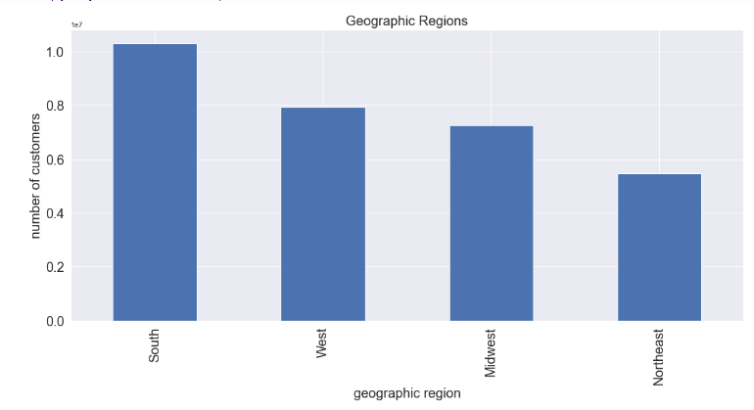

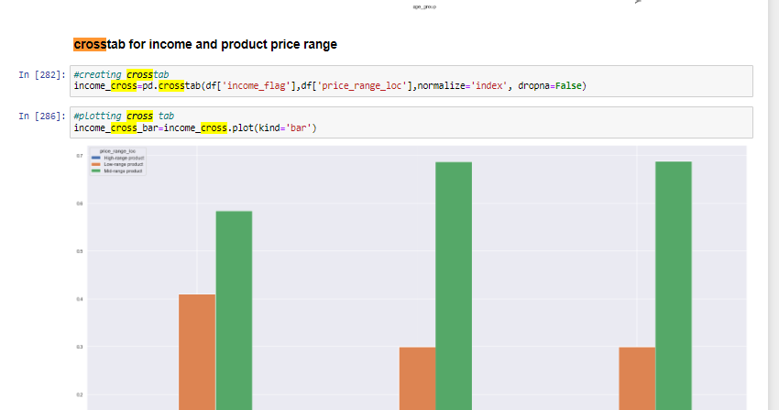

customer spending
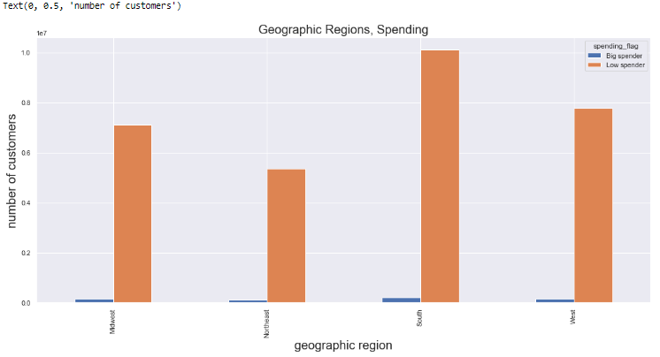
geographic_region | Big spender | Low spender
Midwest | 148678 | 7112835
Northeast | 103120 | 5361565
South | 199339 | 10111800
West | 152288 | 7774939

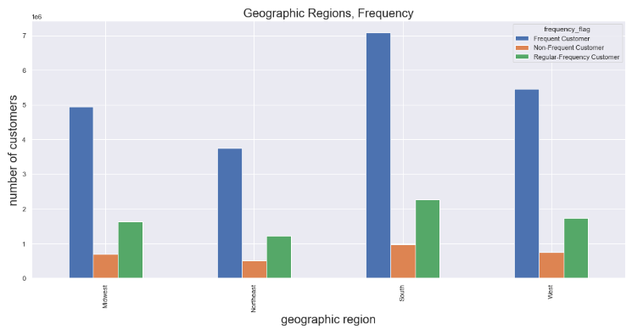
geographic_region | Frequent Customer | Non-Frequent Customer | Regular-Frequency Customer
Midwest | 4935393 | 690030 | 1636090
Northeast | 3740982 | 496911 | 1226792
South | 7073789 | 968006 | 2269344
West | 5454312 | 740028 | 1732887

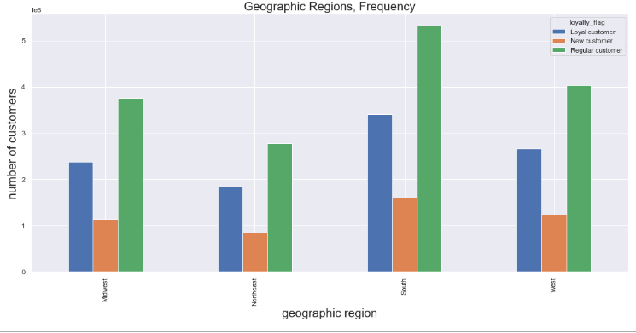
geographic_region | Loyal customer | New customer | Regular customer
Midwest | 2373774 | 1136761 | 3750978
Northeast | 1841785 | 842156 | 2780744
South | 3405844 | 1593664 | 5311631
West | 2662690 | 1231114 | 4033423

